Sheet1
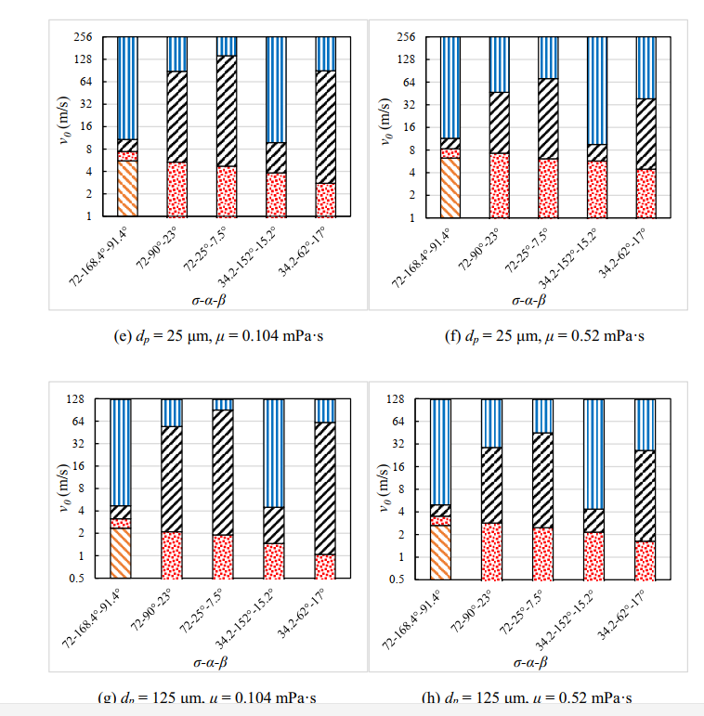
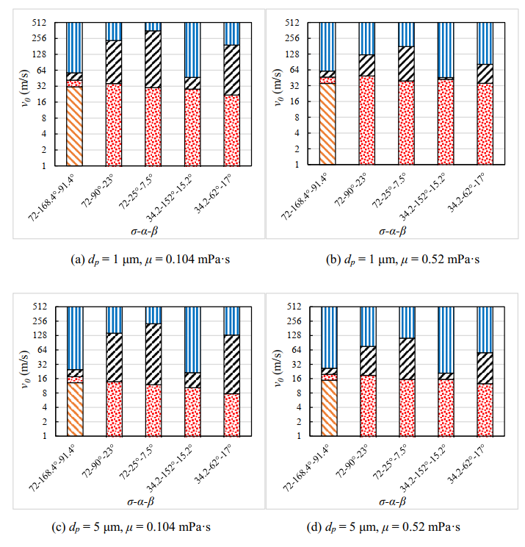
Condition number | Contact angle | Droplet surface tension, σ (mN/m) | Boundary between regimes A and B | Boundary between regimes B and C | Boundary between regimes C and D |  |  |  |  |  |  |  |  |  |  |  |  | Condition number | Contact angle | Droplet surface tension, σ (mN/m) | Boundary between regimes A and B | Boundary between regimes B and C | Boundary between regimes C and D
1 | 𝛼 = 168.4︒ β = 91.4︒ | 72 | 5.807 = Recr1.080Oh R2=0.9998 | 7.736 = Recr1.076Oh | 8.570 = Recr1.038Oh |  |  |  |  |  |  |  |  |  |  |  |  | 1 | 𝛼 = 168.4︒ β = 91.4︒ | 72 | Re=5.0982Oh-0.926 R2=0.9998 | Re=6.69Oh-0.929 R2=0.9873 | Re = 7.9152Oh-0.963
 |  |  | When 0.00965 ≤ Oh ≤ 0.0483 | R2 = 0.9873 | R² = 0.9981 |  |  |  |  |  |  |  |  |  |  |  |  |  |  |  | When 0.00965 ≤ Oh ≤ 0.0483 |  | R² = 0.9981
2 | 𝛼 = 151.2︒ β = 15.2︒ | 34.2 | No rebounding when Oh ≥ 0.00965 | 32.223 = Recr1.34Oh | 7.239 = Recr0.983Oh |  |  |  |  |  |  |  |  |  |  |  |  | 2 | 𝛼 = 151.2︒ β = 15.2︒ | 34.2 | No rebounding when Oh ≥ 0.00965 | Re = 13.338 Oh -0.746 | Re = 7.4872 Oh -1.017
 |  |  |  | R² = 0.9979 | R² = 0.9987 |  |  |  |  |  |  |  |  |  |  |  |  |  |  |  |  | R² = 0.9979 | R² = 0.9987
3 | 𝛼 = 90︒ | 72 | No rebounding when Oh ≥ 0.00965 | 17.196 = Recr1.241Oh | 3.102 = Recr0.717Oh |  |  |  |  |  |  |  |  |  |  |  |  | 3 | 𝛼 = 90︒ | 72 | No rebounding when Oh ≥ 0.00965 | Re = 9.9027 Oh -0.806 | Re = 4.8446Oh-1.394
 | β = 23︒ |  |  | R² = 0.9825 | R² = 0.9929 |  |  |  |  |  |  |  |  |  |  |  |  |  | β = 23︒ |  |  | R² = 0.9825 | R² = 0.9929
4 | 𝛼 = 62︒ | 34.2 | No rebounding when Oh ≥ 0.00965 | 37.077 = Recr1.431Oh | 2.415 = Recr0.654Oh |  |  |  |  |  |  |  |  |  |  |  |  | 4 | 𝛼 = 62︒ | 34.2 | No rebounding when Oh ≥ 0.00965 | Re = 12.497 Oh -0.699 | Re = 3.8543Oh-1.53
 | β = 17︒ |  |  | R² = 0.9987 | R² = 1 |  |  |  |  |  |  |  |  |  |  |  |  |  | β = 17︒ |  |  | R² = 0.9987 | R² = 1
5 | 𝛼 = 25︒ | 72 | No rebounding when Oh ≥ 0.00965 | 10.859 = Recr1.198Oh | 3.611 = Recr0.699Oh |  |  |  |  |  |  |  |  |  |  |  |  | 5 | 𝛼 = 25︒ | 72 | No rebounding when Oh ≥ 0.00965 | Re = 7.3263 Oh -0.835 | Re = 6.2803 Oh -1.431
 | β = 7.5︒ |  |  | R² = 0.997 | R² = 0.9906 |  |  |  |  |  |  |  |  |  |  |  |  |  | β = 7.5︒ |  |  | R² = 0.997 | R² = 0.9906
6 | 𝛼 = 168.4︒ β = 168.4︒ | 72 | 7.301 = Recr1.119Oh |  |  |  |  |  |  |  |  |  |  |  |  |  |  | 6 | 𝛼 = 168.4︒ β = 168.4︒ | 72 | Re = 5.9134 Oh -0.894
 |  |  | R² = 0.9987 |  |  |  |  |  |  |  |  |  |  |  |  |  |  |  |  |  | R² = 0.9987
 |  |  | When 0.00965 ≤ Oh ≤ 0.0483 |  |  | Oh | μ(mPa.s) | σ(mN/m) | ρ(kg/m3) | dl(um) | contact angle | K1 | a1 | K2 | a2 | K3 | a3 |  |  |  | When 0.00965 ≤ Oh ≤ 0.0483
7 | 𝛼 = 151.2︒ β = 151.2︒ | 72 | 10.034 = Recr1.189Oh |  |  |  | 0.104 | 72 | 998 | 1 | 168.4-91.4 | 5.0982 | -0.926 | 6.69 | -0.929 | 7.9152 | -0.963 | 7 | 𝛼 = 151.2︒ β = 151.2︒ | 72 | Re = 6.9542 Oh -0.841
 |  |  | R² = 0.9989 |  |  |  | 0.104 | 72 | 998 | 5 | 168.4-91.5 | 5.0982 | -0.926 | 6.69 | -0.929 | 7.9152 | -0.963 |  |  |  | R² = 0.9989
 |  |  | When 0.00965 ≤ Oh ≤ 0.0483 |  |  |  | 0.104 | 72 | 998 | 25 | 168.4-91.6 | 5.0982 | -0.926 | 6.69 | -0.929 | 7.9152 | -0.963 |  |  |  | When 0.00965 ≤ Oh ≤ 0.0483
8 | 𝛼 = 120︒ | 72 | 12.491 = Recr1.274Oh |  |  |  | 0.104 | 72 | 998 | 125 | 168.4-91.7 | 5.0982 | -0.926 | 6.69 | -0.929 | 7.9152 | -0.963 | 8 | 𝛼 = 120︒ | 72 | Re = 7.2581 Oh -0.785
 | β = 120︒ |  | R² = 0.9962 |  |  |  |  |  |  |  |  |  |  |  |  |  |  |  | β = 120︒ |  | R² = 0.9962
 |  |  | When 0.00965 ≤ Oh ≤ 0.0483 |  |  |  | 0.52 | 72 | 998 | 1 | 168.4-91.4 | 5.0982 | -0.926 | 6.69 | -0.929 | 7.9152 | -0.963 |  |  |  | When 0.00965 ≤ Oh ≤ 0.0483
9 | 𝛼 = 100︒ | 72 | 9.077 = Recr1.238Oh |  |  |  | 0.52 | 72 | 998 | 5 | 168.4-91.5 | 5.0982 | -0.926 | 6.69 | -0.929 | 7.9152 | -0.963 | 9 | 𝛼 = 100︒ | 72 | Re = 5.9429 Oh -0.808
 | β = 100︒ |  | R² = 0.9967 |  |  |  | 0.52 | 72 | 998 | 25 | 168.4-91.6 | 5.0982 | -0.926 | 6.69 | -0.929 | 7.9152 | -0.963 |  | β = 100︒ |  | R² = 0.9967
 |  |  | When 0.00965 ≤ Oh ≤ 0.0483 |  |  |  | 0.52 | 72 | 998 | 125 | 168.4-91.7 | 5.0982 | -0.926 | 6.69 | -0.929 | 7.9152 | -0.963 |  |  |  | When 0.00965 ≤ Oh ≤ 0.0483
10 | 𝛼 = 90︒ | 72 | 6.663 = Recr1.186Oh R² = 0.9965 |  |  |  |  |  |  |  |  |  |  |  |  |  |  | 10 | 𝛼 = 90︒ | 72 | Re = 4.9469 Oh -0.843
 | β = 90︒ |  | When 0.00965 ≤ Oh ≤ 0.0311 |  |  |  | 0.104 | 72 | 998 | 1 | 90-23 |  |  | 9.9027 | -0.806 | 4.8446 | -1.394 |  | β = 90︒ |  | R² = 0.9965
11 | 𝛼 = 80︒ | 72 | Re = 219.99 when Oh=0.00965; |  |  |  | 0.104 | 72 | 998 | 5 | 90-23 |  |  | 9.9027 | -0.806 | 4.8446 | -1.394 |  |  |  | When 0.00965 ≤ Oh ≤ 0.0311
 | β = 80︒ |  | No rebounding when Oh ≥ 0.0193 |  |  |  | 0.104 | 72 | 998 | 25 | 90-23 |  |  | 9.9027 | -0.806 | 4.8446 | -1.394 | 11 | 𝛼 = 80︒ | 72 | Re =219.99 when Oh=0.00965;
 |  |  |  |  |  |  | 0.104 | 72 | 998 | 125 | 90-23 |  |  | 9.9027 | -0.806 | 4.8446 | -1.394 |  | β = 80︒ |  | No rebounding when Oh ≥ 0.0193

 |  |  |  |  |  |  | 0.52 | 72 | 998 | 1 | 90-23 |  |  | 9.9027 | -0.806 | 4.8446 | -1.394
 |  |  |  |  |  |  | 0.52 | 72 | 998 | 5 | 90-23 |  |  | 9.9027 | -0.806 | 4.8446 | -1.394
 |  |  |  |  |  |  | 0.52 | 72 | 998 | 25 | 90-23 |  |  | 9.9027 | -0.806 | 4.8446 | -1.394
 |  |  |  |  |  |  | 0.52 | 72 | 998 | 125 | 90-23 |  |  | 9.9027 | -0.806 | 4.8446 | -1.394

 |  |  |  |  |  |  | 0.104 | 72 | 998 | 1 | 25-7.5 |  |  | 7.3263 | -0.835 | 6.2803 | -1.431 | 5 | 𝛼 = 25︒ | 72 | No rebounding when Oh ≥ 0.00965 | Re = 7.3263 Oh -0.835 | Re = 6.2803 Oh -1.431
 |  |  |  |  |  |  | 0.104 | 72 | 998 | 5 | 25-7.5 |  |  | 7.3263 | -0.835 | 6.2803 | -1.431 |  | β = 7.5︒ |  |  | R² = 0.997 | R² = 0.9906
 |  |  |  |  |  |  | 0.104 | 72 | 998 | 25 | 25-7.5 |  |  | 7.3263 | -0.835 | 6.2803 | -1.431
 |  |  |  |  |  |  | 0.104 | 72 | 998 | 125 | 25-7.5 |  |  | 7.3263 | -0.835 | 6.2803 | -1.431

 |  |  |  |  |  |  | 0.52 | 72 | 998 | 1 | 25-7.5 |  |  | 7.3263 | -0.835 | 6.2803 | -1.431
 |  |  |  |  |  |  | 0.52 | 72 | 998 | 5 | 25-7.5 |  |  | 7.3263 | -0.835 | 6.2803 | -1.431
 |  |  |  |  |  |  | 0.52 | 72 | 998 | 25 | 25-7.5 |  |  | 7.3263 | -0.835 | 6.2803 | -1.431
 |  |  |  |  |  |  | 0.52 | 72 | 998 | 125 | 25-7.5 |  |  | 7.3263 | -0.835 | 6.2803 | -1.431

 |  |  |  |  |  |  | 0.104 | 34.2 | 998 | 1 | 151.2-15.2 |  |  | 13.338 | -0.746 | 7.4872 | -1.017 | 2 | 𝛼 = 151.2︒ β = 15.2︒ | 34.2 | No rebounding when Oh ≥ 0.00965 | Re = 13.338 Oh -0.746 | Re = 7.4872 Oh -1.017
 |  |  |  |  |  |  | 0.104 | 34.2 | 998 | 5 | 151.2-15.2 |  |  | 13.338 | -0.746 | 7.4872 | -1.017 |  |  |  |  | R² = 0.9979 | R² = 0.9987
 |  |  |  |  |  |  | 0.104 | 34.2 | 998 | 25 | 151.2-15.2 |  |  | 13.338 | -0.746 | 7.4872 | -1.017
 |  |  |  |  |  |  | 0.104 | 34.2 | 998 | 125 | 151.2-15.2 |  |  | 13.338 | -0.746 | 7.4872 | -1.017

 |  |  |  |  |  |  | 0.52 | 34.2 | 998 | 1 | 151.2-15.2 |  |  | 13.338 | -0.746 | 7.4872 | -1.017
 |  |  |  |  |  |  | 0.52 | 34.2 | 998 | 5 | 151.2-15.2 |  |  | 13.338 | -0.746 | 7.4872 | -1.017
 |  |  |  |  |  |  | 0.52 | 34.2 | 998 | 25 | 151.2-15.2 |  |  | 13.338 | -0.746 | 7.4872 | -1.017
 |  |  |  |  |  |  | 0.52 | 34.2 | 998 | 125 | 151.2-15.2 |  |  | 13.338 | -0.746 | 7.4872 | -1.017

 |  |  |  |  |  |  | 0.104 | 34.2 | 998 | 1 | 62-17 |  |  | 12.497 | -0.699 | 3.8543 | -1.53 | 4 | 𝛼 = 62︒ | 34.2 | No rebounding when Oh ≥ 0.00965 | Re = 12.497 Oh -0.699 | Re = 3.8543Oh-1.53
 |  |  |  |  |  |  | 0.104 | 34.2 | 998 | 5 | 62-17 |  |  | 12.497 | -0.699 | 3.8543 | -1.53 |  | β = 17︒ |  |  | R² = 0.9987 | R² = 1
 |  |  |  |  |  |  | 0.104 | 34.2 | 998 | 25 | 62-17 |  |  | 12.497 | -0.699 | 3.8543 | -1.53
 |  |  |  |  |  |  | 0.104 | 34.2 | 998 | 125 | 62-17 |  |  | 12.497 | -0.699 | 3.8543 | -1.53

 |  |  |  |  |  |  | 0.52 | 34.2 | 998 | 1 | 62-17 |  |  | 12.497 | -0.699 | 3.8543 | -1.53
 |  |  |  |  |  |  | 0.52 | 34.2 | 998 | 5 | 62-17 |  |  | 12.497 | -0.699 | 3.8543 | -1.53
 |  |  |  |  |  |  | 0.52 | 34.2 | 998 | 25 | 62-17 |  |  | 12.497 | -0.699 | 3.8543 | -1.53
 |  |  |  |  |  |  | 0.52 | 34.2 | 998 | 125 | 62-17 |  |  | 12.497 | -0.699 | 3.8543 | -1.53

（a）(b)
 |  |  |  | rebouding critical velocity | ripping critical velocity | splashing critical velocity
μ(mPa.s) | σ(mN/m) | dl(um) | contact angle | v1 | v2 | v3 | contact angle | Regime A | Regime B | Regime C | Regime D
0.104 | 72 | 1 | 168.4-91.4 | 31.26721363 | 41.574977666 | 57.127936581 | 72-168.4-91.4 | 31.26721363 | 10.307764036 | 15.552958915 | 454.87206342
0.104 | 72 | 1 | 90-23 |  | 35.816418267 | 233.00808208 | 72-90-23 | 1 | 35.816418267 | 197.19166382 | 278.99191792
0.104 | 72 | 1 | 25-7.5 |  | 30.104954578 | 355.4739522 | 72-25-7.5 | 1 | 30.104954578 | 325.36899762 | 156.5260478
0.104 | 34.2 | 1 | 151.2-15.2 |  | 28.064290645 | 46.936368121 | 34.2-151.2-15.2 | 1 | 28.064290645 | 18.872077476 | 465.06363188
0.104 | 34.2 | 1 | 62-17 |  | 21.759079148 | 190.83241181 | 34.2-62-17 | 1 | 21.759079148 | 169.07333267 | 321.16758819
 |  |  |  |  |  |  |  | Regime A | Regime B | Regime C | Regime D
0.52 | 72 | 1 | 168.4-91.4 | 35.221914722 | 46.607831254 | 60.633191453 | 72-168.4-91.4 | 35.221914722 | 11.385916532 | 14.0253602 | 451.36680855
0.52 | 72 | 1 | 90-23 |  | 48.942070015 | 123.58814207 | 72-90-23 | 1 | 48.942070015 | 74.64607206 | 388.41185793
0.52 | 72 | 1 | 25-7.5 |  | 39.261602973 | 177.64447747 | 72-25-7.5 | 1 | 39.261602973 | 138.3828745 | 334.35552253
0.52 | 34.2 | 1 | 151.2-15.2 |  | 42.236940372 | 45.669577232 | 34.2-151.2-15.2 | 1 | 42.236940372 | 3.4326368596 | 466.33042277
0.52 | 34.2 | 1 | 62-17 |  | 35.320796066 | 81.320124865 | 34.2-62-17 | 1 | 35.320796066 | 45.999328799 | 430.67987514

(a)
(b)

(c)(d)
 |  |  |  | rebouding critical velocity | ripping critical velocity | splashing critical velocity
μ(mPa.s) | σ(mN/m) | dl(um) | contact angle | v1 | v2 | v3 | contact angle | Regime A | Regime B | Regime C | Regime D
0.104 | 72 | 5 | 168.4-91.5 | 13.174747138 | 17.560366965 | 24.798909899 | 72-168.4-91.4 | 13.174747138 | 4.3856198268 | 7.2385429341 | 487.2010901
0.104 | 72 | 5 | 90-23 |  | 13.702413228 | 143.08136473 | 72-90-23 | 1 | 13.702413228 | 129.3789515 | 368.91863527
0.104 | 72 | 5 | 25-7.5 |  | 11.789298087 | 224.87999168 | 72-25-7.5 | 1 | 11.789298087 | 213.09069359 | 287.12000832
0.104 | 34.2 | 5 | 151.2-15.2 |  | 10.230571071 | 21.279710939 | 34.2-151.2-15.2 | 1 | 10.230571071 | 11.049139868 | 490.72028906
0.104 | 34.2 | 5 | 62-17 |  | 7.6376635663 | 130.73569745 | 34.2-62-17 | 1 | 7.6376635663 | 123.09803388 | 381.26430255
 |  |  |  |  |  |  |  | Regime A | Regime B | Regime C | Regime D
0.52 | 72 | 5 | 168.4-91.5 | 14.841099232 | 19.686134935 | 26.320520953 | 72-168.4-91.4 | 14.841099232 | 4.8450357033 | 6.6343860173 | 485.67947905
0.52 | 72 | 5 | 90-23 |  | 18.723940026 | 75.890758269 | 72-90-23 | 1 | 18.723940026 | 57.166818243 | 436.10924173
0.52 | 72 | 5 | 25-7.5 |  | 15.375101783 | 112.38147934 | 72-25-7.5 | 1 | 15.375101783 | 97.006377556 | 399.61852066
0.52 | 34.2 | 5 | 151.2-15.2 |  | 15.397076155 | 20.705381372 | 34.2-151.2-15.2 | 1 | 15.397076155 | 5.3083052178 | 491.29461863
0.52 | 34.2 | 5 | 62-17 |  | 12.397967552 | 55.710888625 | 34.2-62-17 | 1 | 12.397967552 | 43.312921072 | 456.28911138

(c)
(d)

(e)(f)
 |  |  |  | rebouding critical velocity | ripping critical velocity | splashing critical velocity
μ(mPa.s) | σ(mN/m) | dl(um) | contact angle | v1 | v2 | v3 | contact angle | Regime A | Regime B | Regime C | Regime D
0.104 | 72 | 25 | 168.4-91.6 | 5.5513089274 | 7.4171173446 | 10.765064678 | 72-168.4-91.4 | 5.5513089274 | 1.8658084172 | 3.3479473329 | 501.23493532
0.104 | 72 | 25 | 90-23 |  | 5.2421804681 | 87.860801861 | 72-90-23 | 1 | 5.2421804681 | 82.618621393 | 424.13919814
0.104 | 72 | 25 | 25-7.5 |  | 4.6167666194 | 142.26361831 | 72-25-7.5 | 1 | 4.6167666194 | 137.64685169 | 369.73638169
0.104 | 34.2 | 25 | 151.2-15.2 |  | 3.7294576855 | 9.6476594966 | 34.2-151.2-15.2 | 1 | 3.7294576855 | 5.9182018111 | 502.3523405
0.104 | 34.2 | 25 | 62-17 |  | 2.6808995158 | 89.564568326 | 34.2-62-17 | 1 | 2.6808995158 | 86.88366881 | 422.43543167
 |  |  |  |  |  |  |  | Regime A | Regime B | Regime C | Regime D
0.52 | 72 | 25 | 168.4-91.6 | 6.253442726 | 8.3149955332 | 11.425587316 | 72-168.4-91.4 | 6.253442726 | 2.0615528072 | 3.110591783 | 500.57441268
0.52 | 72 | 25 | 90-23 |  | 7.1632836535 | 46.601616417 | 72-90-23 | 1 | 7.1632836535 | 39.438332763 | 465.39838358
0.52 | 72 | 25 | 25-7.5 |  | 6.0209909156 | 71.09479044 | 72-25-7.5 | 1 | 6.0209909156 | 65.073799524 | 440.90520956
0.52 | 34.2 | 25 | 151.2-15.2 |  | 5.612858129 | 9.3872736242 | 34.2-151.2-15.2 | 1 | 5.612858129 | 3.7744154953 | 502.61272638
0.52 | 34.2 | 25 | 62-17 |  | 4.3518158295 | 38.166482363 | 34.2-62-17 | 1 | 4.3518158295 | 33.814666533 | 473.83351764

(e)
(f)

(g)(h)
 |  |  |  | rebouding critical velocity | ripping critical velocity | splashing critical velocity
μ(mPa.s) | σ(mN/m) | dl(um) | contact angle | v1 | v2 | v3 | contact angle | Regime A | Regime B | Regime C | Regime D
0.104 | 72 | 125 | 168.4-91.7 | 2.339098465 | 3.1328291609 | 4.6730528875 | 72-168.4-91.4 | 2.339098465 | 0.79373069591 | 1.5402237267 | 507.32694711
0.104 | 72 | 125 | 90-23 |  | 2.0055194368 | 53.951963055 | 72-90-23 | 1 | 2.0055194368 | 51.946443619 | 458.04803694
0.104 | 72 | 125 | 25-7.5 |  | 1.8079561532 | 89.998834244 | 72-25-7.5 | 1 | 1.8079561532 | 88.190878091 | 422.00116576
0.104 | 34.2 | 125 | 151.2-15.2 |  | 1.3595384394 | 4.3739942723 | 34.2-151.2-15.2 | 1 | 1.3595384394 | 3.0144558329 | 507.62600573
0.104 | 34.2 | 125 | 62-17 |  | 0.9410236719 | 61.359001834 | 34.2-62-17 | 1 | 0.9410236719 | 60.417978162 | 450.64099817
 |  |  |  |  |  |  |  | Regime A | Regime B | Regime C | Regime D
0.52 | 72 | 125 | 168.4-91.7 | 2.6349494277 | 3.512073393 | 4.9597819799 | 72-168.4-91.4 | 2.6349494277 | 0.87712396536 | 1.4477085868 | 507.04021802
0.52 | 72 | 125 | 90-23 |  | 2.7404826457 | 28.616272945 | 72-90-23 | 1 | 2.7404826457 | 25.8757903 | 483.38372705
0.52 | 72 | 125 | 25-7.5 |  | 2.3578596173 | 44.975998335 | 72-25-7.5 | 1 | 2.3578596173 | 42.618138718 | 467.02400166
0.52 | 34.2 | 125 | 151.2-15.2 |  | 2.0461142141 | 4.2559421878 | 34.2-151.2-15.2 | 1 | 2.0461142141 | 2.2098279736 | 507.74405781
0.52 | 34.2 | 125 | 62-17 |  | 1.5275327133 | 26.147139489 | 34.2-62-17 | 1 | 1.5275327133 | 24.619606776 | 485.85286051

(h)

(g)

